Revision
Phase |  | DN |  | Project Name | TOPSS Enhancement |  |  |  |  |  |  |  |  | Page
Block Name |  |  |  | Master Data |  |  |  |  | Function Name |  | 12.1.4 Update Case Information | Created | By
Document Name |  |  |  | Revision Historical Record |  |  |  |  |  | Title | Revision Historical Record | Updated | By

 | Revision Historical Record

 | Revision |  | Author |  |  | Revised Date | Reviewed By | Revision Description

Probability
Impact
Impact

Gen Desc
Phase |  |  |  | DN | Project Name |  |  | TOPSS Enhancement |  |  |  |  |  |  | Page
Block Name |  |  |  |  | Export Management |  |  |  | Function Name | 12.1.4 Update Case Information |  |  | Created | 0 | By | 0
Document Name |  |  |  |  | PS-Screen |  |  |  | Title | General Description |  |  | Updated |  | By

1. General Description

 | 1. | Overview |  |  |  |  |  |  |  |  | 3. Database tables used

 |  |  | This screen to update Case No Information |  |  |  |  |  |  |  | No | Table Name | Description
 |  |  |  |  |  |  |  |  |  |  | 1 | MA_CUSTOMER
 |  |  |  |  |  |  |  |  |  |  | 2 | MA_SUPPLIER
 |  |  |  |  |  |  |  | Main Menu |  |  | 3 | MA_PARTD
 |  |  |  |  |  |  |  |  |  |  | 4 | EX_PROCESSORDER
 |  |  |  |  |  |  |  |  |  |  | 5 | SH_CUSORDER
 |  |  |  |  |  |  |  |  |  |  | 6 | SH_INVOICE

MA_CUSTOMER
MA_SUPPLIER
MA_PARTD
EX_PROCESSORDER
SH_CUSORDER

SH_INVOCES

 |  |  |  |  |  |  | Update Case Information Screen

 | 2. References

 |  |  | Document Type |  |  | Document Name
 |  |  | DB-Table Design |  |  | DB Structure.xlsx
 |  |  | UR-FO |  |  | 12.1.4 Update Case Information_Screen.xlsx
 |  |  | UISS |  |  | 12.1.4 UISS_Update Case Information_Screen.xlsx
 |  |  | BF |  |  | 12 Export Management.xlsx

Function Diagram
Phase | DR | Project Name | TOPSS Enhancement |  |  |  |  | Page
Block Name |  | Master Data |  | Function Name | 12.1.4 Update Case Information | Created | 0 | By | 0
Document Name |  | PS-Screen |  | Title | Function Diagram | Updated |  | By

Function Diagram

GUI Layer
DAO Layer
Business Layer

Search Action
Search BO
Search DAO

Update Action

No
Yes
Validate Data
Update BO
Update DAO

Seq Diagram
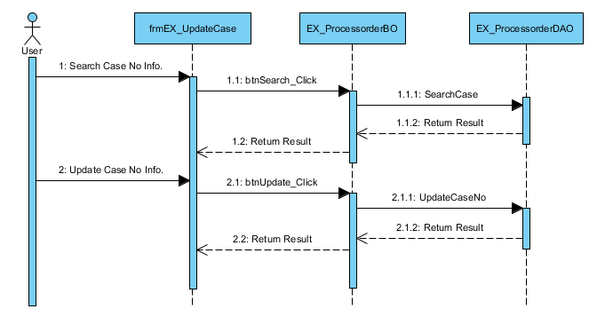
Phase |  | DN | Project Name | TOPSS Enhancement |  |  |  |  |  | Page
Block Name |  |  | Master Data |  | Function Name | 12.1.4 Update Case Information |  | Created | 0 | By | 0
Document Name |  |  | UISS-Screen |  | Title | Seq Diagram |  | Updated |  | By

Implementation |  |  |  |  |  |  | Description

 | Update Case Information Screen View Sequence Diagram

